Paper Experiments
All use batch=16, uproject

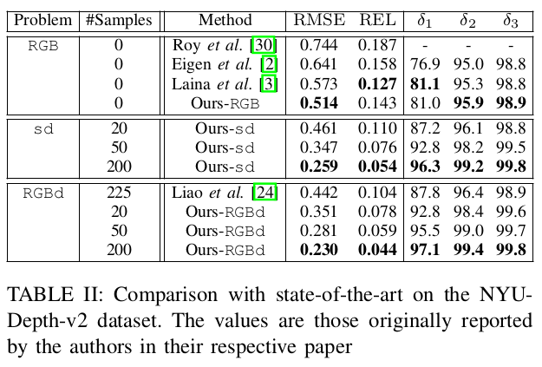
Num | Sparsifier | Samples | Modality | VarFocus | VarScale | Scale Type | Dataset |  | RMSE | REL | Delta1 | Note
1 |  |  | RGB | N | N |  | NYU |  | 0.555 | 0.156 | 0.792
2 | uar | 100 | RGBD | N | N |  | NYU |  | 0.273 | 0.055 | 0.96
3 | uar | 1 | RGBD | N | N |  | NYU |  | 0.598 | 0.167 | 0.752
4 | statsam | 1 | RGBD | N | N |  | NYU |  | 0.563 | 0.156 | 0.784
5 | projsam | 1 | RGBD | N | N |  | NYU |  | 0.546 | 0.15 | 0.798

Variable Focal Tests
6 |  |  | RGB | Y | N |  | NYU |  | 0.608 | 0.175 | 0.748
7 | uar | 100 | RGBD | Y | N |  | NYU |  | 0.262 | 0.051 | 0.965
8 | projsam | 1 | RGBD | Y | N |  | NYU |  | 0.607 | 0.166 | 0.76

Variable Scale Tests
9 |  |  | RGB | N | Y | 1 (Many groups) | NYU |  | 1.021 | 0.389 | 0.4
10 | uar | 100 | RGBD | N | Y | 1 (Many groups) | NYU |  | 0.368 | 0.065 | 0.951
11 | projsam | 1 | RGBD | N | Y | 1 (Many groups) | NYU |  | 0.623 | 0.172 | 0.74
12 |  |  | RGB | N | Y | 2 (Few Groups) | NYU |  | 1.652 | 3.438 | 0.303
13 | uar | 100 | RGBD | N | Y | 2 (Few Groups) | NYU |  | 0.338 | 0.089 | 0.92
14 | projsam | 1 | RGBD | N | Y | 2 (Few Groups) | NYU |  | 0.588 | 0.179 | 0.74

Variable Both Tests
21 |  |  | RGB | Y | Y | 2 (Few Groups) | NYU |  | 1.927 | 4.136 | 16.4
22 | uar | 100 | RGBD | Y | Y | 2 (Few Groups) | NYU |  | 0.202 | 0.074 | 93.5
23 | projsam | 1 | RGBD | Y | Y | 2 (Few Groups) | NYU |  | 0.456 | 0.187 | 72.8

15-20 | Variable pixel input location tests |  |  |  |  |  |  | Future work

Kitti Tests
50 |  |  | RGB | N | N |  | Kitti |  | 4.704 | 0.116 | 0.855
51 | nearsam | 1 | RGBD | N | N |  | Kitti |  | 4.962 | 0.119 | 0.842
52 |  |  | RGB | Y | N |  | Kitti |  | 4.713 | 0.117 | 85.2
53 | nearsam | 1 | RGBD | Y | N |  | Kitti
54 |  |  | RGB | N | Y | 2 (Few Groups) | Kitti
55 | nearsam | 1 | RGBD | N | Y | 2 (Few Groups) | Kitti

FP Tests | *Batch changed to 3, trained to 50 epochs
70 |  |  | RGB | N | N |  | FP |  | 3.475 | 0.596 | 0.242
71 | Statsam-tof | 1 | RGBD | N | N |  | FP |  | 3.297 | 0.588 | 0.228
72 |  |  | RGB | N | N | NYU Pretrained RGB (1) | FP |  | 2.719 | 0.398 | 0.386
73 | Statsam-tof | 1 | RGBD | N | N | NYU Pretrained Projective (5) | FP |  | 3.05 | 0.476 | 0.296
74 |  |  | RGB | N | N | NYU Pretrained RGB (9) | FP |  | 2.759 | 0.391 | 0.347
75 | Statsam-tof | 1 | RGBD | N | N | NYU Pretrained Projective (11) | FP |  | 3.142 | 0.538 | 0.31

 |  |  | RGB | Y | N |  | FP | Requires writing TOF transform code
 | projsam | 1 | RGBD | Y | N |  | FP
 |  |  | RGB | N | Y | 2 (Few Groups) | FP
 | projsam | 1 | RGBD | N | Y | 2 (Few Groups)

TRC Test
60 |  |  | RGB | N | N |  | Wide |  | 1.17 | 0.297 | 0.493
61 | Statsam-tof | 1 | RGBD | N | N |  | Wide |  | 1.06 | 0.292 | 0.473
62 |  |  | RGB | N | N |  | Standard |  | 0.707 | 0.282 | 0.504
63 | Statsam-tof | 1 | RGBD | N | N |  | Standard |  | 0.87 | 0.296 | 0.456
64 |  |  | RGB | N | N |  | Narrow |  | 1.378 | 0.405 | 0.346
65 | Statsam-tof | 1 | RGBD | N | N |  | Narrow |  | 0.98 | 0.336 | 0.459

80 |  |  | RGB | N | N | NYU Pretrained RGB (1) | Wide |  | 0.565 | 0.19 | 0.756
81 | Statsam-tof | 1 | RGBD | N | N | NYU Pretrained Projective (5) | Wide |  | 0.668 | 0.227 | 0.601
82 |  |  | RGB | N | N | NYU Pretrained RGB (1) | Standard |  | 0.449 | 0.164 | 0.791
83 | Statsam-tof | 1 | RGBD | N | N | NYU Pretrained Projective (5) | Standard |  | 0.528 | 0.192 | 0.675
84 |  |  | RGB | N | N | NYU Pretrained RGB (1) | Narrow |  | 0.664 | 0.208 | 0.658
85 | Statsam-tof | 1 | RGBD | N | N | NYU Pretrained Projective (5) | Narrow |  | 0.792 | 0.306 | 0.557

